Final Entry Form
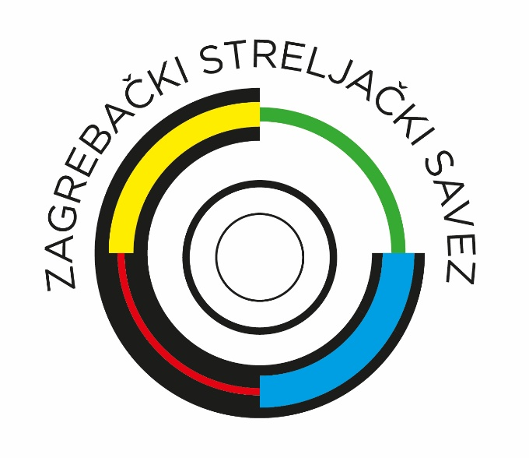
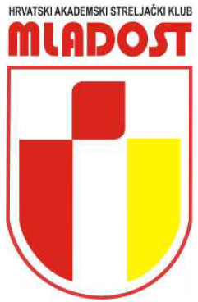
49th Mladost Trophy 2025

FINAL ENTRY FORM

Please send this form back in MS Excel format!
Please return by email, not later than November 24th, 2025

 | Country: |  |  |  |  |  |  |  |  |  |  |  | Contact person:
 | Club: |  |  |  |  |  |  |  |  |  |  |  | Contact mobile:
 |  |  |  |  |  |  |  |  |  |  |  |  | Contact e-mail:

 |  |  |  | Please write T + team number! |  |  | Please write I for individual and T for team entry, in category column!
 |  |  |  | Friday, December 5th 2025 |  |  | Saturday, December 6th 2025 |  |  |  |  |  |  |  |  |  |  |  |  |  |  |  | Sunday, December 7th 2025
 |  |  |  | Mixed Team event |  |  | MLADOST OPEN |  |  |  |  |  |  |  |  |  |  |  |  |  |  |  | MLADOST TROPHY
 | Last Name | First Name | Year of Birth | AR | AP | Team No.* | U16ARW | U16ARM | U18ARW | U18ARM | U21ARW | U21ARM | ARW | ARM | U16APW | U16APM | U18APW | U18APM | U21APW | U21APM | APW | APM | ARW | ARM | APW | APM
1
2
3
4
5
6
7
8
9
10
11
12
13
14
15
 | * Multiple teams from the same club should be numbered

Registration officers:
 |  | email: | mladost.trophy@gmail.com
 |  | gsm: | +385 91 2913 031 - Ira Tuzlančić
 |  |  | +385 91 5360 183 - Boris Badurina

Organizing Committee, HASK Mladost, Ozaljska 7, HR-10000 Zagreb

IBAN: HR1424020061100817953, SWIFT (BIC): ESBCHR22, Bank: Erste & Steiermärkische Bank d.d., Jadranski trg 3a, HR-51000 Rijeka

